Electricity
Final electricity demand | 2.37 | IEA energy balance NL 2013

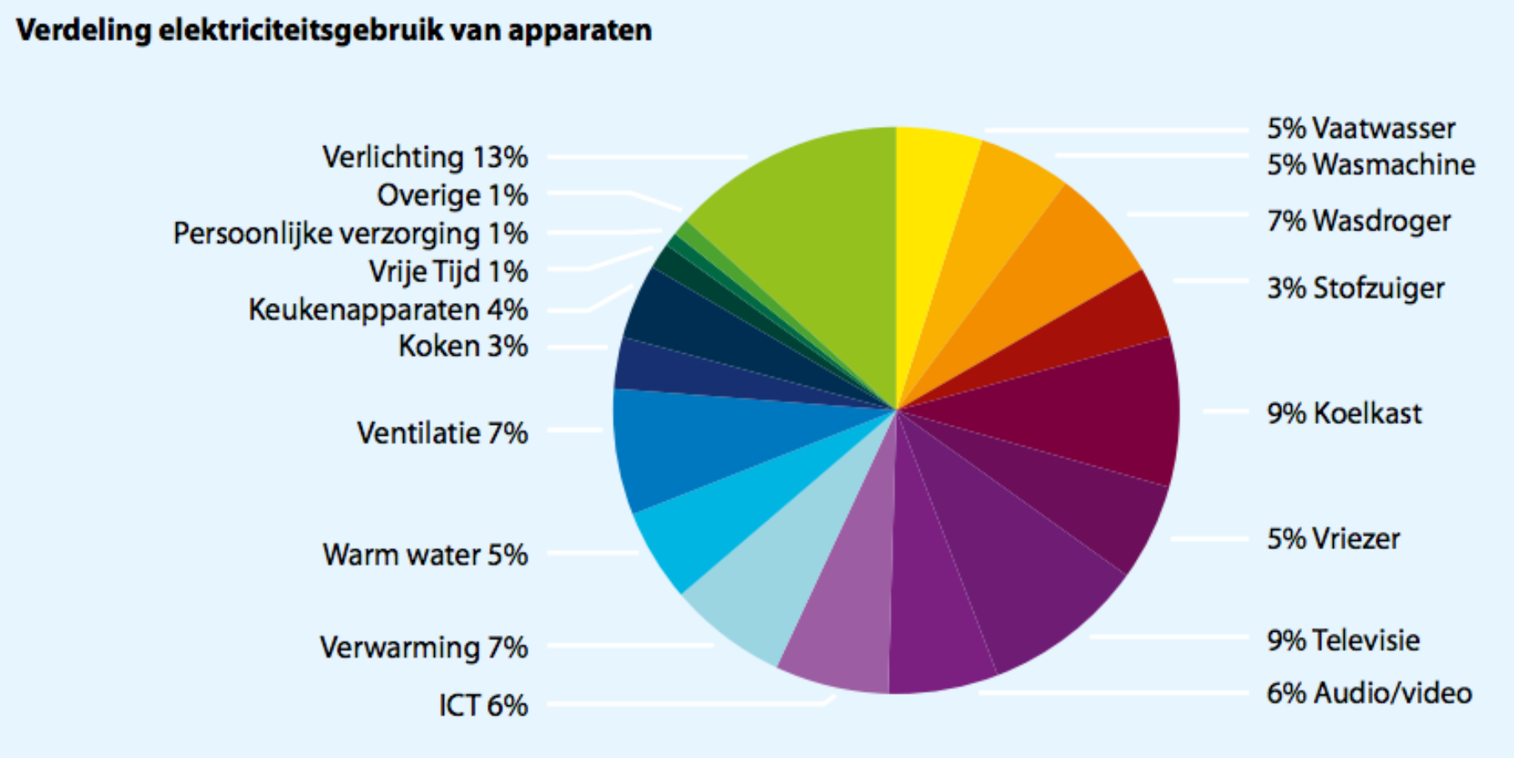
 | Enenrgietrends 2014
vaatwasser | 5.00%
wasmachine | 5.00%
wasdroger | 7.00%
stof. + rest | 3.00%
koelkast | 9.00%
vriezer | 5.00%
televisie | 9.00%
audio/video | 6.00%
ict | 6.00%
verwarming | 7.00%
warmwater | 5.00%
ventilatie | 7.00%
kookapp. | 3.00%
keukenapp. | 4.00%
vrije tijd | 1.00%
pers. verz. | 1.00%
overig | 1.00%
verlichting | 13.00% |  | Source: | Energietrends 2014, page 9 (ECN, Energie-Nederland en Netbeheer Nederland)
totaal |  |  | Hyperlink: | http://refman.et-model.com/publications/2027

The numbers from Energietrends 2014 need to be recast on the ETM categories.
As these numbers do not add up to 100%, they have to be corrected.

Category | Original data | Corrected data | Final electricity demand
Dishwasher | 5.00% | 5.15% | 0.12
Fridges / Freezers | 14.00% | 14.43% | 0.34
Washing Machines | 5.00% | 5.15% | 0.12
Dryers | 7.00% | 7.22% | 0.17
Television | 9.00% | 9.28% | 0.22
Computers / Media | 12.00% | 12.37% | 0.29
Vacuum Cleaners | 3.00% | 3.09% | 0.07
Others | 7.00% | 7.22% | 0.17

Space heating | 7.00% | 7.22% | 0.17
Hot water | 5.00% | 5.15% | 0.12
Lighting | 13.00% | 13.40% | 0.32
Cooking | 3.00% | 3.09% | 0.07
Cooling | 7.00% | 7.22% | 0.17

The numbers in red are used to the 'Final demand per energy carrier' sheet (use Trace Dependents to find their destination)

Heatpumps
Source: | IEA HPP Annex 42: Heat Pumps in Smart Grids,Task 1: Market Overview, The Netherlands, page 23 (Delta, 2014)
Hyperlink: | http://refman.et-model.com/publications/2029


 |  |  |  |  |  |  | Scaled on number of households in area Paddepoel N

 |  |  |  |  |  |  | # of households Paddepeol N planetenkwartier | 385
I have put the hybrids in the heat pump (air) category

Housingtype | Buildingstock | Total installed heat pumps | Hybrids | Electric air- water | Electric water - water | Final heat demand for space heating in GJ | Total final demand for space heating heat pumps (air) (GJ) | Total final demand for space heating heat pumps (air) (GJ)
Free standing | 0 | 0 | 0 | 0 | 0 | 61 | 0 | 0
2^1 roof | 0 | 0 | 0 | 0 | 0 | 39 | 0 | 0
Terraced | 40 | 0.27653738325 | 0.019752670232 | 0.032921117053 | 0.22386359596 | 31 | 1.6328874058 | 6.9397714748
Multi family | 345 | 2.0795078068 | 0.074268135956 | 0.74268135956 | 1.2625583113 | 16 | 13.071191928 | 20.20093298
Total tm 2012 | 385 | 4.1477900552 | 0.2658839779 | 0.61153314917 | 3.2703729282 | 38
 |  |  |  |  |  | Total | 14.704079334 | 27.140704455

Housingtype | Buildingstock | Total installed heat pumps | Hybrids | Electric air- water | Electric water - water | Final heat demand for space heating in GJ | Total final demand for space heating heat pumps (air) (GJ) | Total final demand for space heating heat pumps (air) (GJ)
Free standing | 1018251 | 17000 | 500 | 1500 | 15000 | 61 | 122000 | 915000
2^1 roof | 861520 | 26000 | 2500 | 2500 | 21000 | 39 | 195000 | 819000
Terraced | 3037564 | 21000 | 1500 | 2500 | 17000 | 31 | 124000 | 527000
Multi family | 2322665 | 14000 | 500 | 5000 | 8500 | 16 | 88000 | 136000
Total tm 2012 | 7240000 | 78000 | 5000 | 11500 | 61500 | 38
 |  |  |  |  |  | Total | 529000 | 2397000

